CDM1a
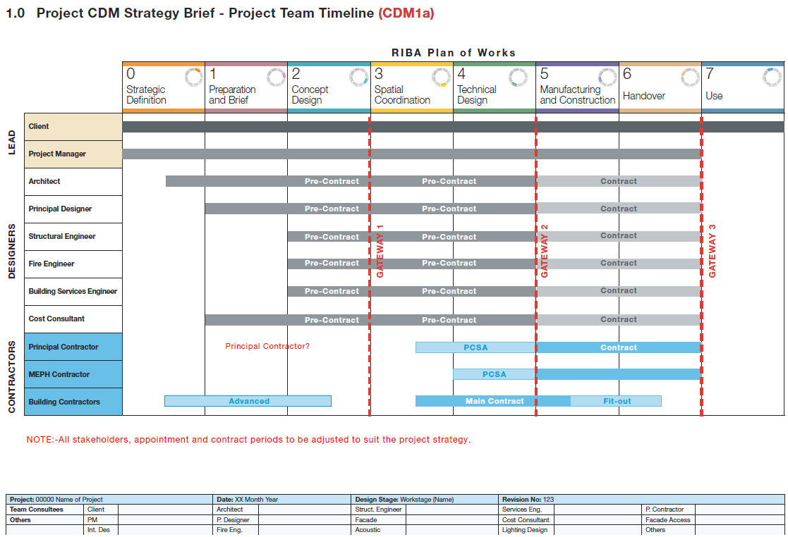
Project Name:
Revision Number:
Date:

1.0 Project CDM Strategy Brief - Project Team Timeline (CDM1a)

 |  | Strategic Definition | Preparation and Brief | Concept Design | Spatial Coordination | Technical Design | Manufacturing and Construction | Handover | Use
LEAD | Client
 | Project Manager
CWD | Architect
 | Principal Construction Work Designer
 | Construction Work Designer - C&S
 | Construction Work Designer - M&E
 | Construction Work Designer - Landscape
 | Construction Work Designer - Int. Designer
 | Cost Consultant - Quantity Surveyor
 | Construction Work Designer - TW Designer
CWC | Principal Construction Work Contractor
 | Construction Work Contractor - C&S
 | Construction Work Contractor - M&E
 | (continue as required)

 | Note: All stakeholders, appointment and contract periods to be adjusted to suit the project strategy.

CDM4
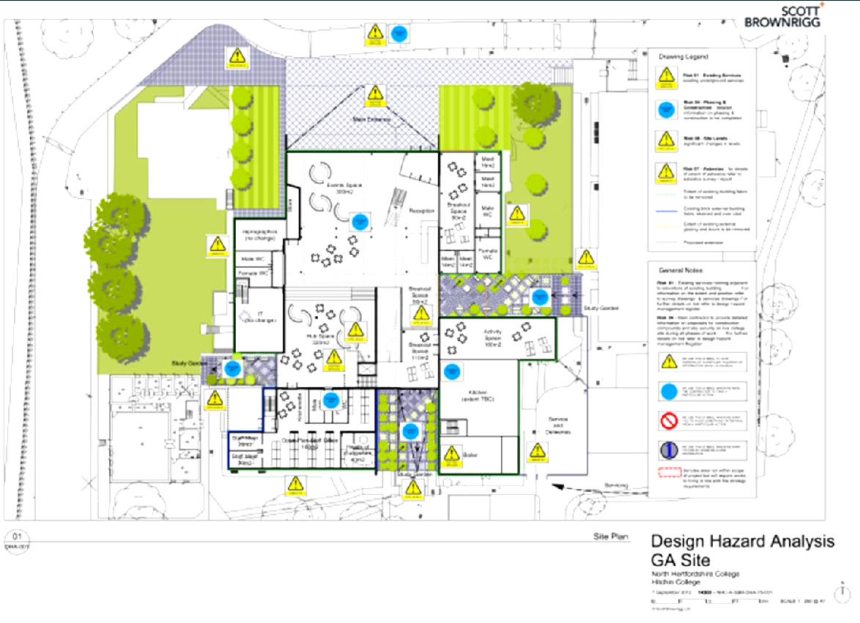
Capture the identified significant risks on CDM Visual Risk Analysis Drawings. Capture also other consultants significant risks
Source: Paul Bussey RIBA- A practical look at PD role
CDM 4
DRA1

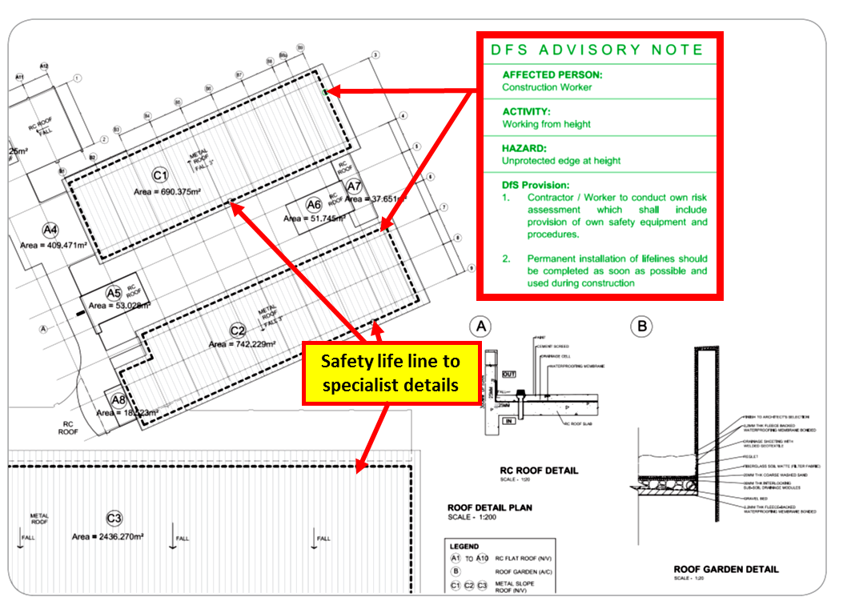
CDM4
DRA2

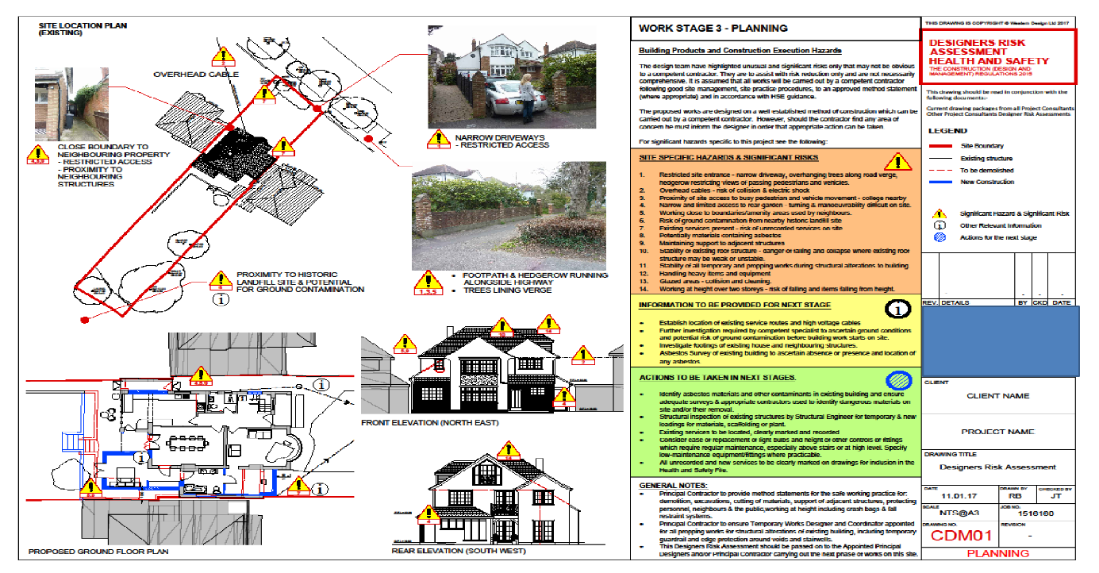
CDM 4
DRA 3
CPP

CDM4a
4.0 CDM Option Matrix (CDM4a)

Significant | CDM Issues | Description of Options * |  |  | Analyses |  |  |  |  |  | Choosen Option & Justification
Risk/ Issue No. | CDM issues to be evaluate | CDM possible design solutions |  |  | Option 1 |  | Option 2 |  | Option 3 |  | Selected Option | Justification
 |  | Option 1 | Option 2 | Option 3 | Pros | Cons | Pros | Cons | Pros | Cons

1.0 | Site Environs and Site Establishment Strategy (incl. local features, transport corridors, pedestrian flow, welfare provisions, vehicular access, site storage, unloading, cranage etc)
 |  |  |  |  |  |  |  |  |  |  |  |  | 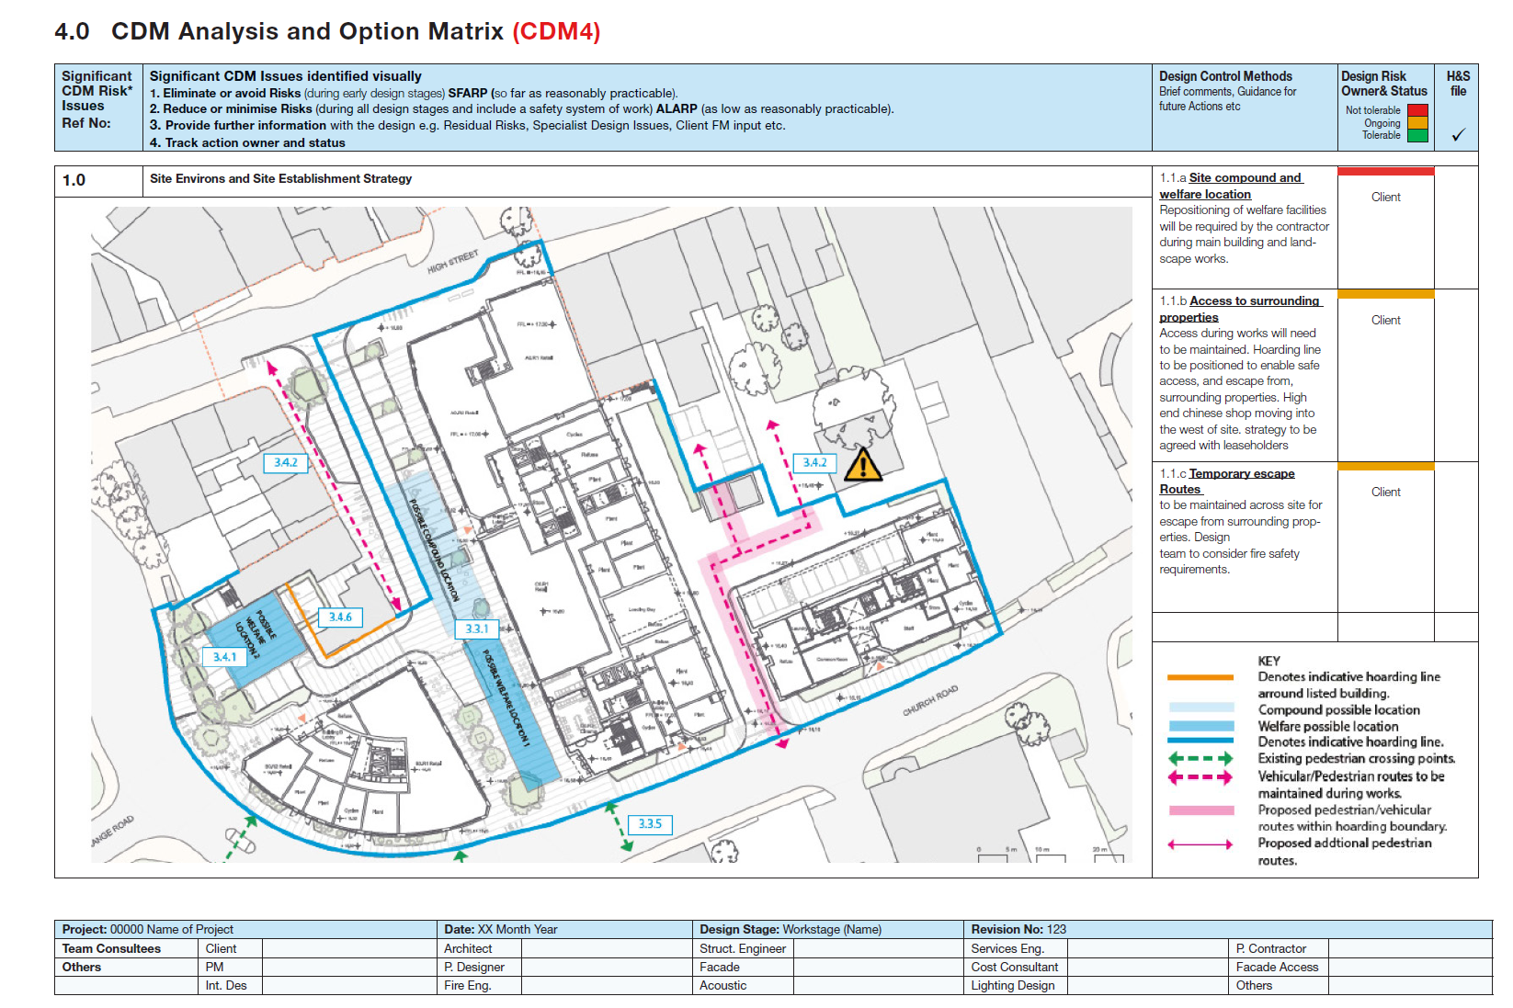

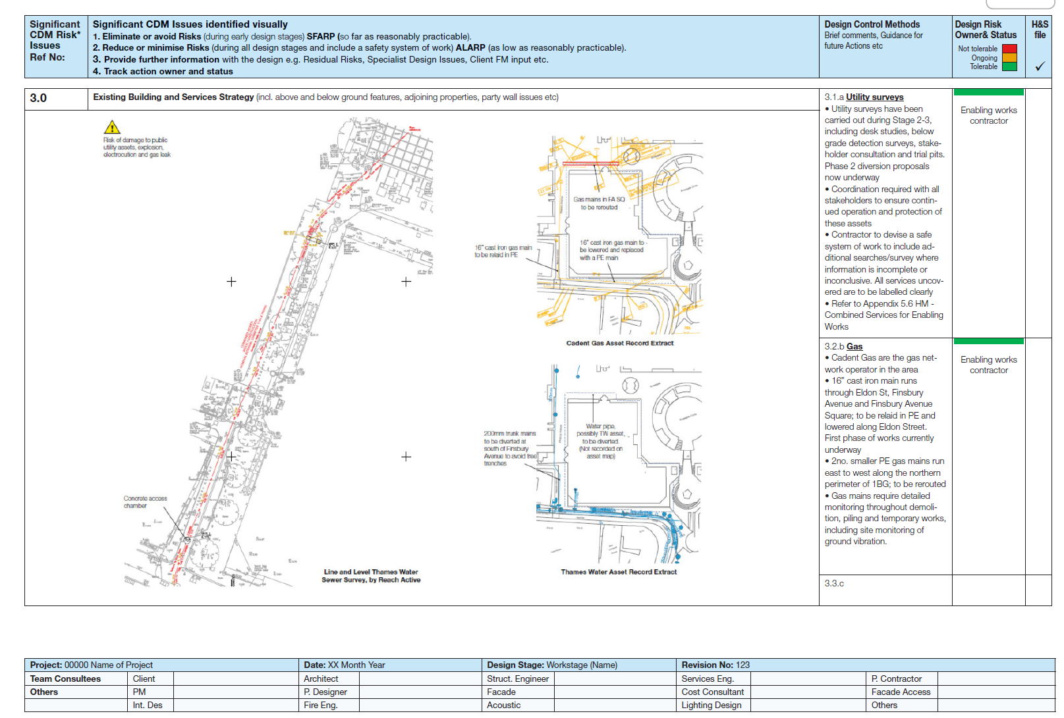
3.0 | Existing Building and Services Strategy

7.0 | Safe working at height strategies (e.g. significant roof access, high ceilings, etc.)
7.1 | Maintenance of atrium rooflights | Install permanent gantries and wolkways | Design rooflights that can be cleaned from below | Provide permanent anchors and hooks for rope access technicians | Eliminates the need for temporary access equipment and significant reduces risk | High initial cost and impacts the architectural aeshetics of the space | Eliminates working at height completely | Required speecialized and more expensive rooflight systems and may not be feasible for all areas | Lower cost than gantries. Aestherically discreet. Allows for safe work at height by specialist teams | still requires working at height, though with a managed system | Chosen Option 3 | Integrating maintenance hooks is most cost-effective and practical solution. Its allows for safe maintenance without compromising the design.
 |  |  |  |  |  |  |  |  |  |  |  |  | 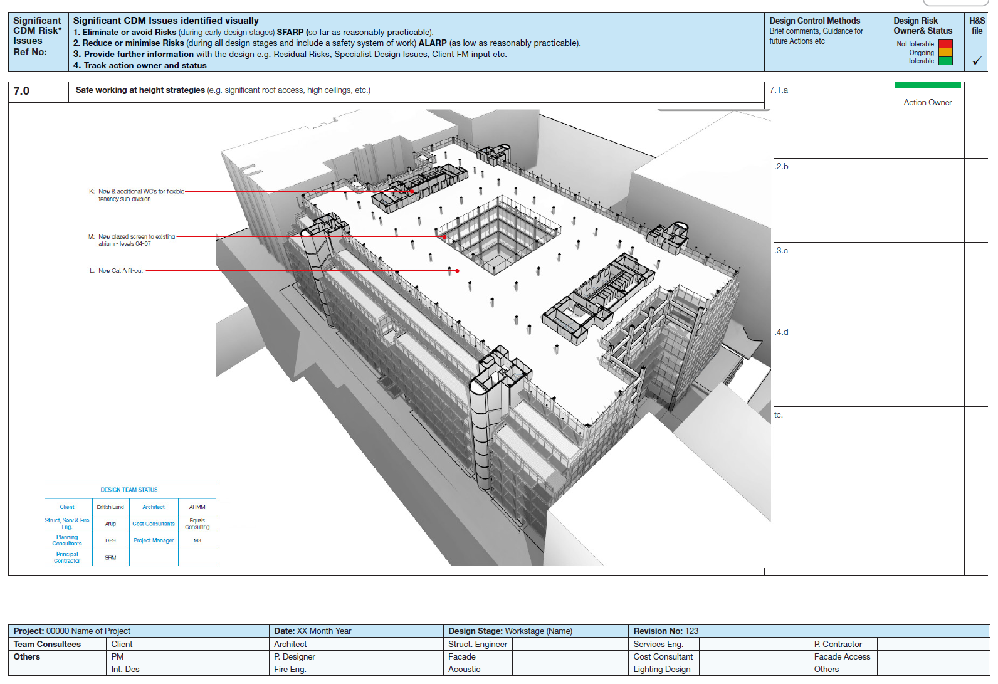

8.0 | Health Strategy (eg: excessive, dust, MSD, HAV, noise minimisation etc.)

 |  |  |  |  |  |  |  |  |  |  |  |  | 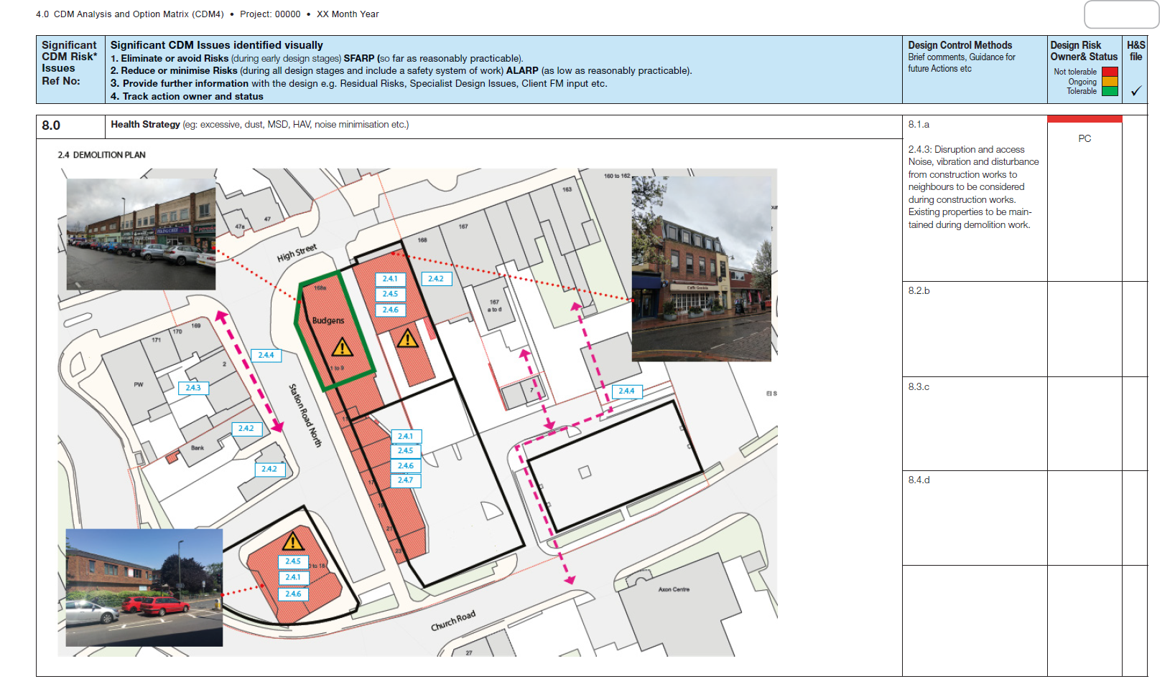

9.0 | Plant & Services design and installation strategy (e.g. location and construction issues)

 |  |  |  |  |  |  |  |  |  |  |  |  | 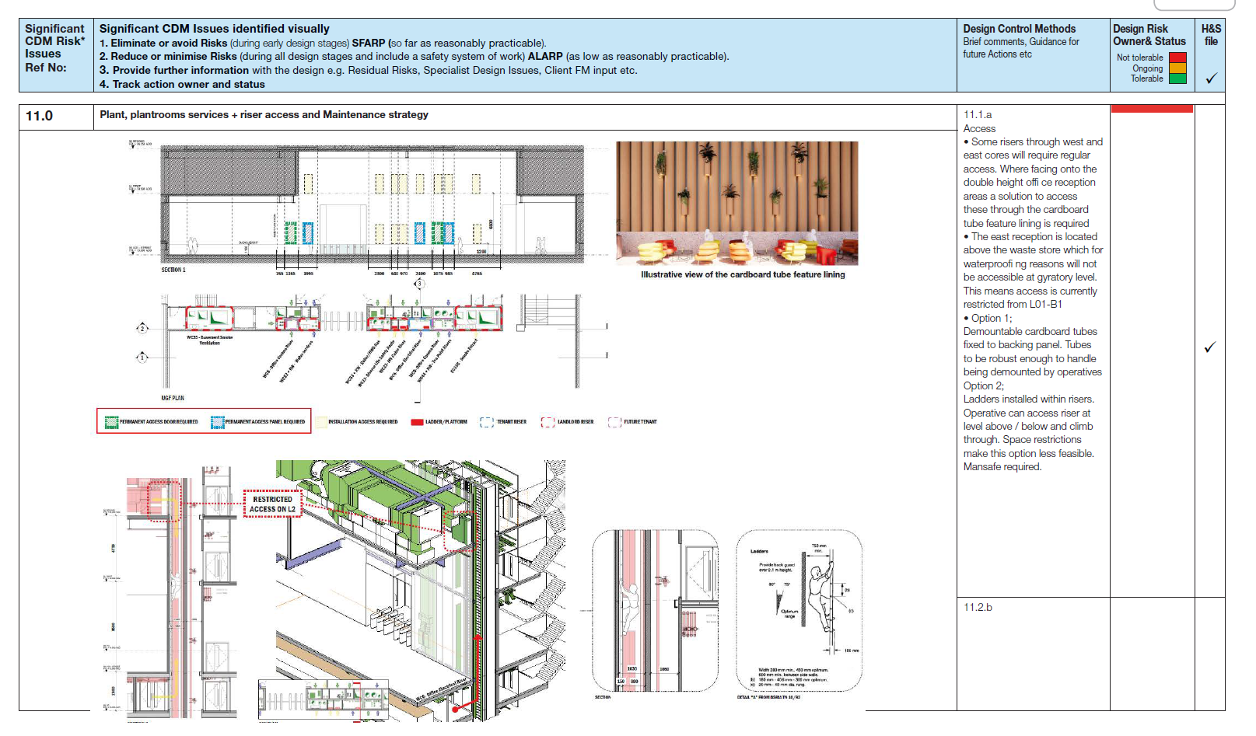

10.0 | Plant Replacement strategy (e.g. future access issues)

11.0 | Plant, plantrooms services + riser access and Maintenance strategy

12.0 | Facade access, window cleaning and glass replacement strategy

13.0 | Phasing strategy (e.g. site, construction, occupation, etc.)
 |  |  |  |  |  |  |  |  |  |  |  |  | 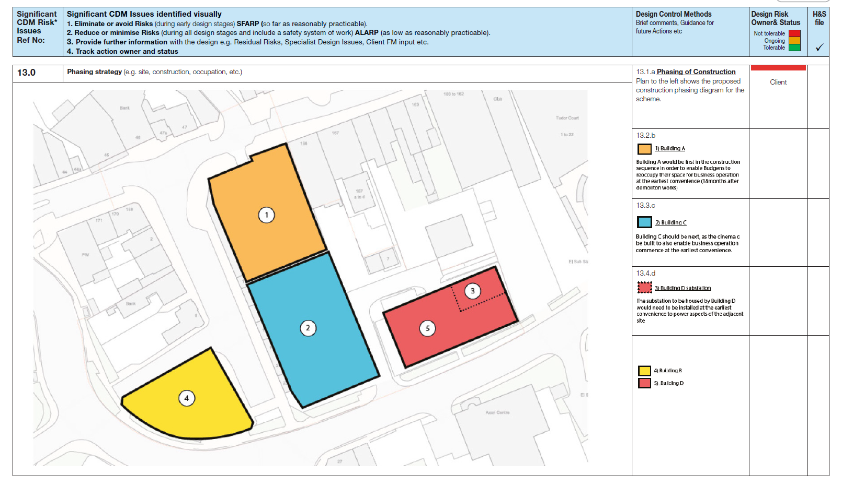

14.0 | Miscellaneous issues (e.g. landscaping, wellbeing, Workplace Regulations etc.)

CDM 5
5.0 Safety and Health File (CDM5)
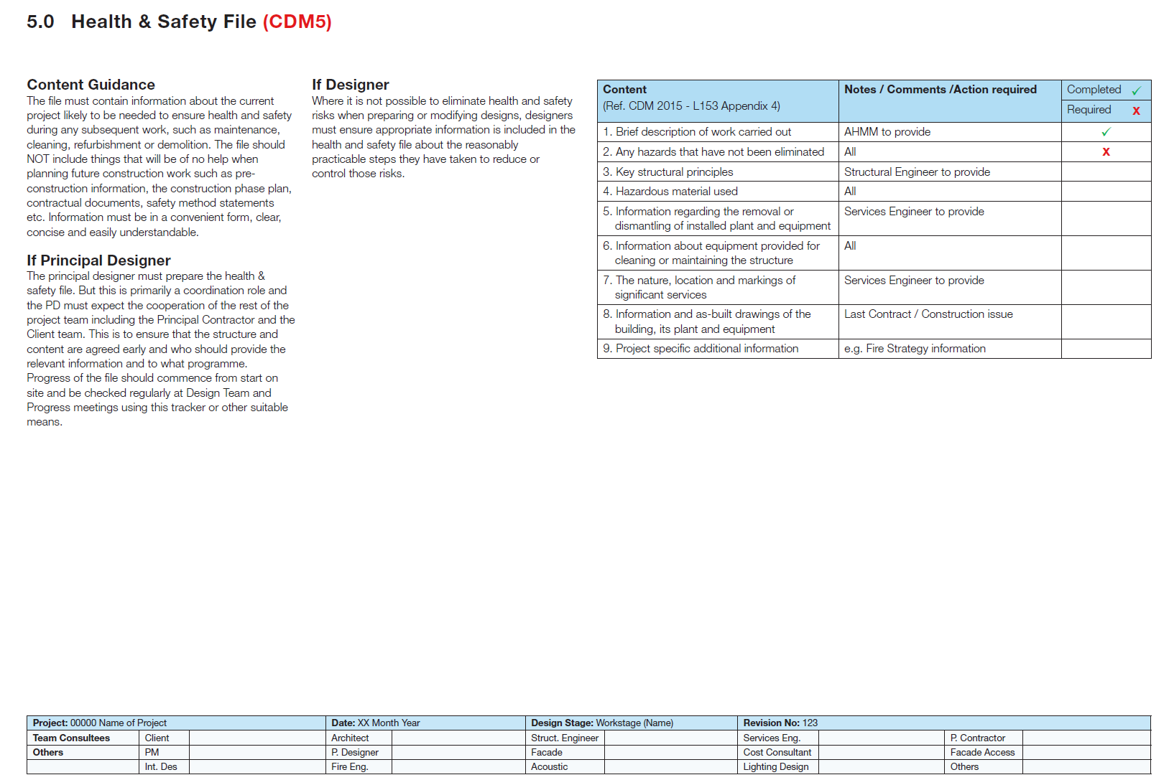

 | D1-1b-1 | Proximity of bodies of water to project | An existing pond is present within the project boundary to be demolished during earthworks | Pond contains stored water and soft surrounding soil | Sudden water release causing flooding of excavation area | Construction workers and site personnel | 5 | 3 | 15 | Prevent working during heavy rain | Assess pond volume and discharge impact | Control water release using staged drainage / bund / gated pipe | Implement a proper drainage system (culvert or open drain) complete with a detention pond | Ensure safe access, safe distance and working platform near pond | Provide temporary pumping system & install perimeter drainage | Integrate water management into Construction Method Statement | Install guardrails near pond & provide signage and restricted access zones | Brief workers on water hazard and emergency response | 2 | 2 | 4 | Hydrology/Hydraulic Engineer
 | D1-1b-2 | Proximity of bodies of water to project | A detention pond is present 300m away from the project boundary (North-East) | Pond serves the Taman Tasik Air Biru residential | Earthworks increase runoff before new detention pond is completed (pollution of Tasik Biru) | Neighbouring residents/ Pollution of Tasik Biru | 4 | 5 | 20 | NA | Perform runoff estimation vs existing pond capacity | Phase earthworks and limit exposed area | Provide silt trap as a temporary detention pond | NA | Install perimeter drain, diversion channel, check dam | Include stormwater control in method statement & sequencing | Increase capacity of temporary detention pond as secondary/ double detention pond | Toolbox briefing & emergency response for heavy rain Conduct public briefing to nearby resident | 2 | 4 | 8 | Hydrology/Hydraulic Engineer | Temporary stormwater control must be in place before earthworks

CDM 6
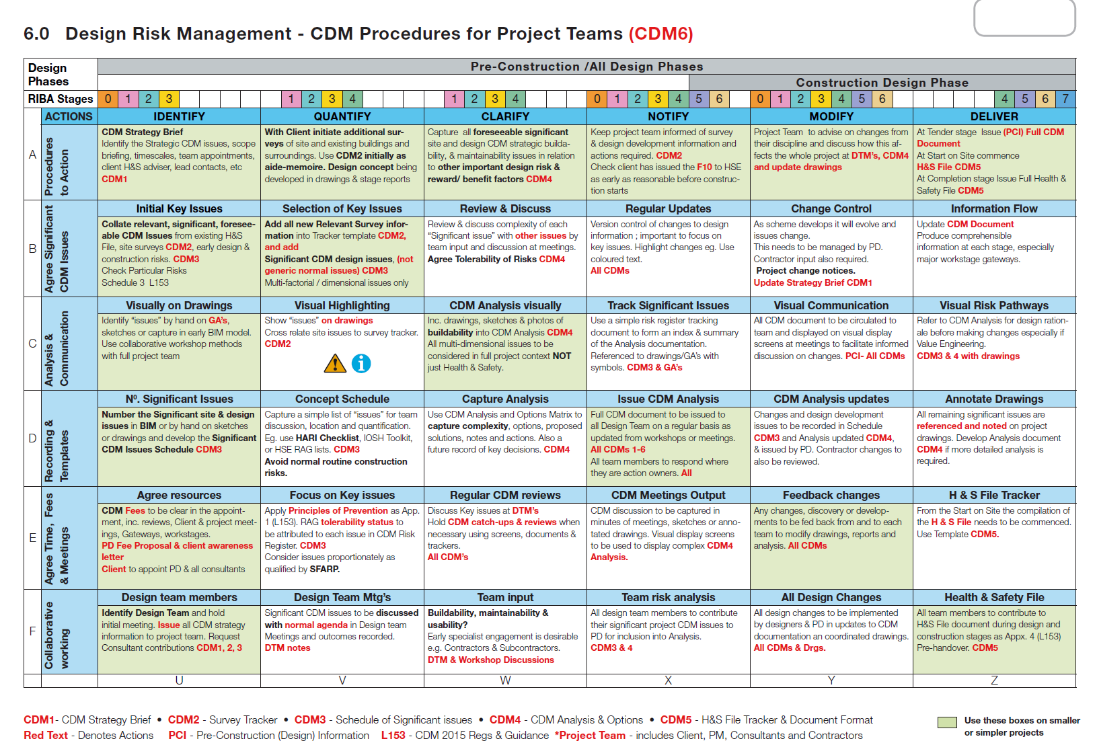
6.0 Design Risk Management - CDM Procedures for Project Teams (CDM6)

CDM 7
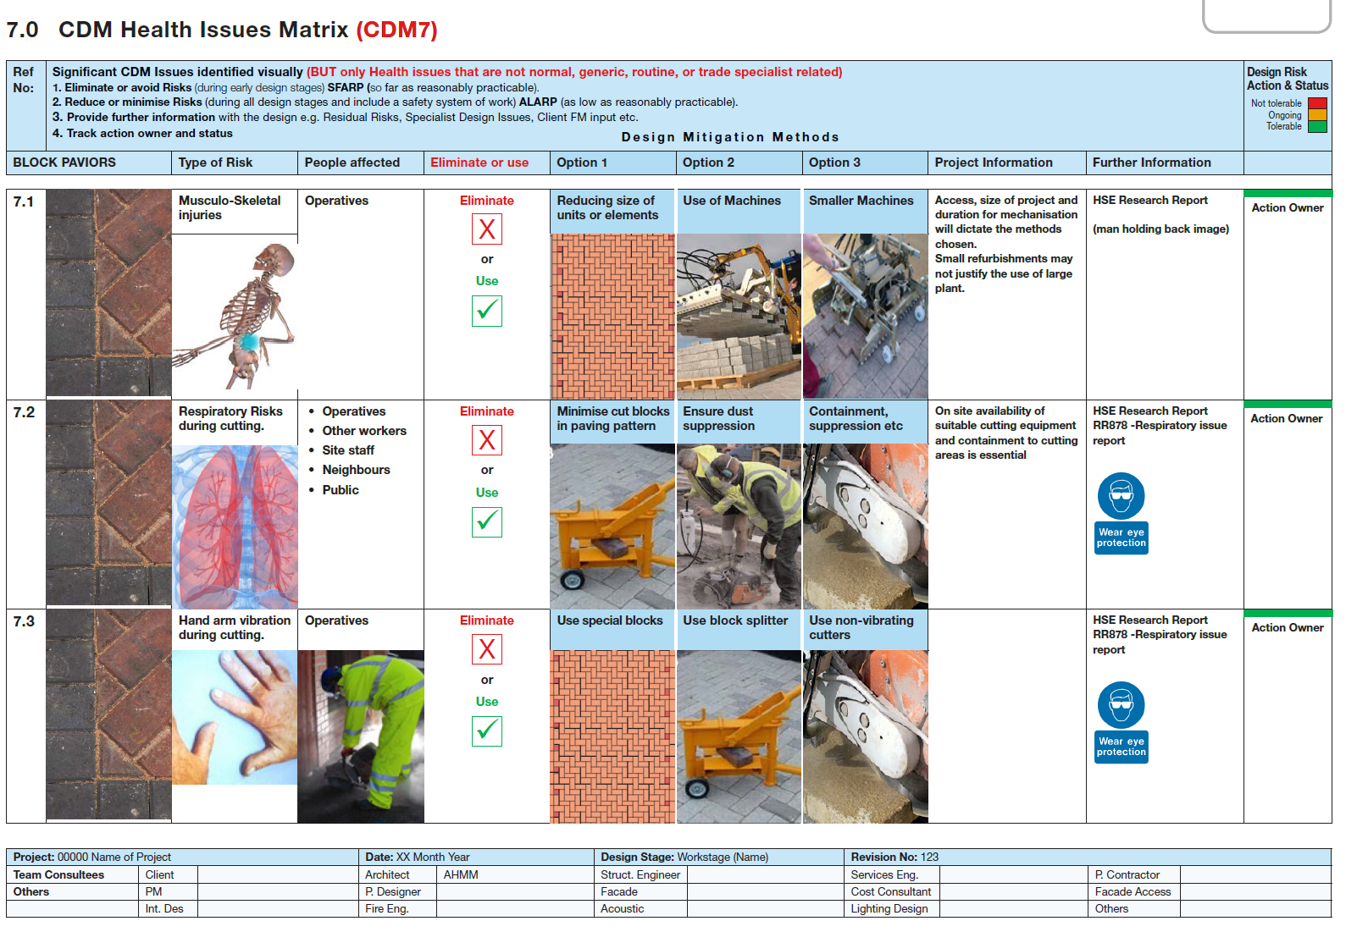
7.0 CDM Health Issues Matrix (CDM7)

